Sheet1
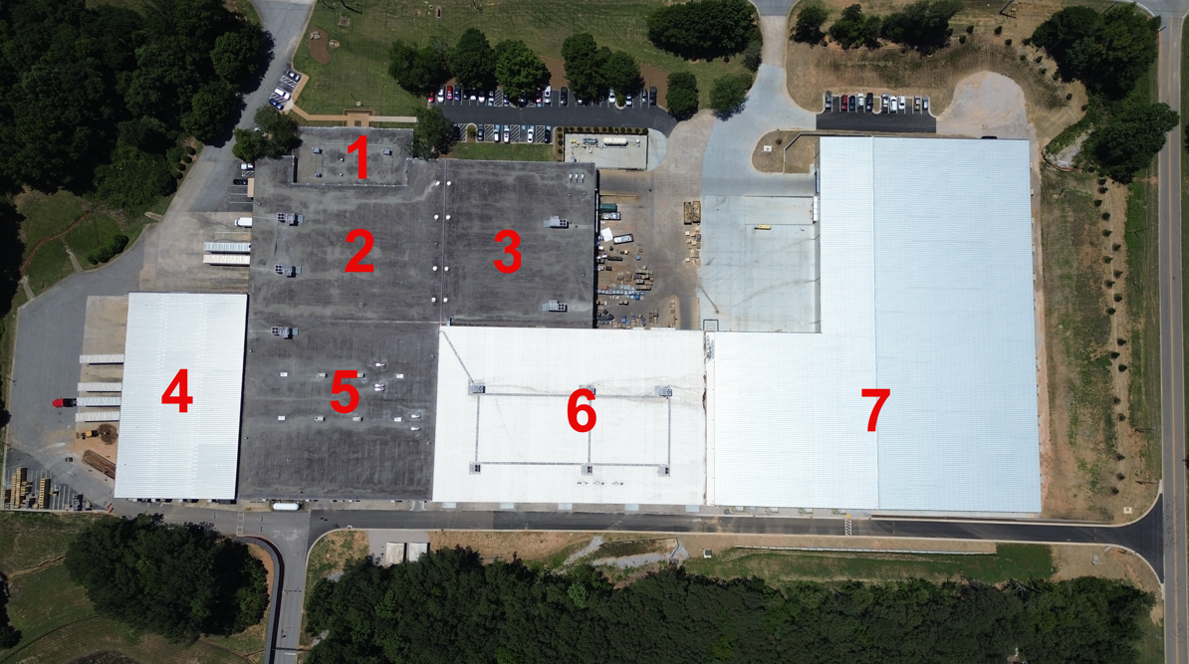
Id Number | Description | Date Installed | Roof Type | Notes | Estimated Year For Replacement
1 | Office | 2010-08-01 | BUR gravel and asphalt | No current inspection or maintenance documents | 2036
2 | Shipping | 2009-09-11 | BUR gravel and asphalt | No current inspection or maintenance documents | 2035
3 | Fabrication | 2011-04-18 | BUR gravel and asphalt | No current inspection or maintenance documents | 2037
4 | Copper | 2019-05-29 | Metal | No current inspection or maintenance documents | 2059
5 | B-line | 2008-12-01 | BUR gravel and asphalt | No current inspection or maintenance documents | 2036
6 | A-line | 2018-12-31 | TPO membrane | No current inspection or maintenance documents | 2036
7 | New Building | 2026-01-26 | Metal | New Roof 1/26/2026 | 2066

